SUM-2
Data
41
49
Total SUM : 1030
11 | Total SUM : 1030
61
20
83
82
60
14
30
89
7
73
88
61
68
11
93
89

SUM-3
Data
22
555 | Ctrl+G/F5 and select Blank and Type Alt+
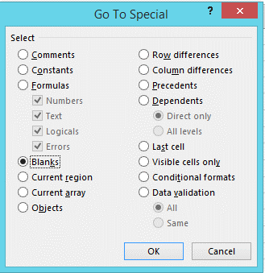
666
777
2020
22
44
66
66
777
888
1731
333
444
555
666
1998
777
555
333
1665
11
22
33
666
666

